Sheet1



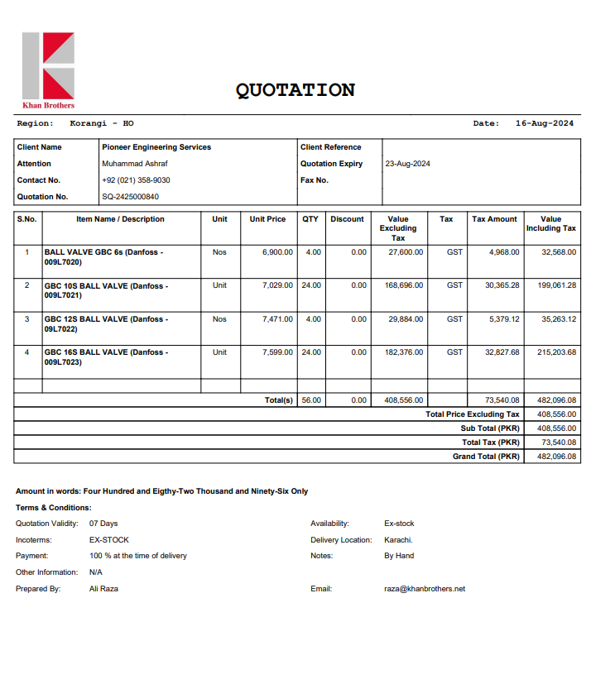
M/S Khan Brother |  |  |  |  | 17-Aug-24

PO # 179 |  |  |  | NTN # 1726790-7
 |  |  |  | STRN # 3277876159487
Att: Mr. Asim

PURCHASE ORDER

SUPPLY OF ISOLATION VALVES for the project (Gul Ahmed Energy Limited 7th Floor Al Tijarah Center Karachi)
S No. | D e s c r i p t i o n | Qty | Unit | Rate | Amount

1 | Supply of Ball valve 1/4. Make : DANFOSS | 4 | Nos | 6,900 | 27,600
2 | Supply of Ball valve 3/8. Make : DANFOSS | 24 | Nos | 7,029 | 168,696
3 | Supply of Ball valve 1/2. Make : DANFOSS | 4 | Nos | 7,471 | 29,884
4 | Supply of Ball valve 5/8. Make : DANFOSS | 24 | Nos | 7,599 | 182,376
 |  | TOTAL: |  |  | 408,556
GST 18% |  |  |  |  | 73,540
Total amount |  |  |  |  | 482,096

Note: Above PO is subject to approval from the consultant.

for National Engineers Company.

